Apollo TMS Savings Calculator
Savings Calculator
Pay-per-use TMS compared to Apollo TMS financing

Price you pay per session: | $- | Average no. of patients you treat per day:

Cost of Apollo Financing / month (average)* | $2,100.00

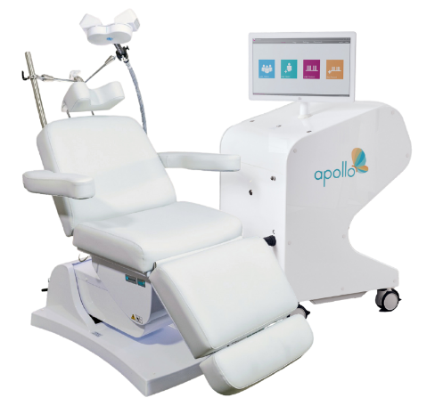
Estimated monthly savings: | $-2,100.00 | Estimated Yearly savings: | $-25,200.00

For more information, please get in touch T: 813-454-3673 E: apollo.sales@neurocaregroup.com

*Cost of Apollo financing per month may vary. Please refer to your final sales quote for more accurate details regarding your savings per month. Estimated monthly savings assumes 22 days per month treating patients at the average number specificied.

